Daily Power Station Chart_15-01
Plant_14/03/2025Chart

Plant:odco1 |  |  | Installed Capacity:111.180kWp
Today Yield(kWh):535.900kWh |  | Today Earning:214360.000TND |  | Today Full Load Hours(h):4.82h

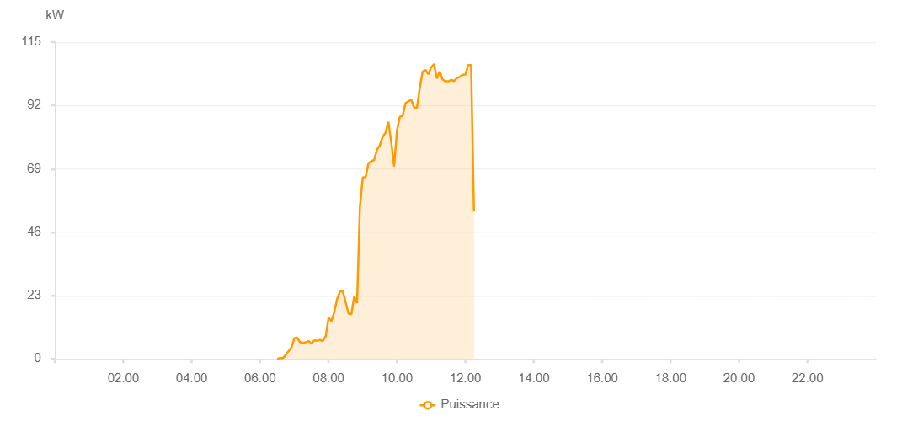

Number | Time | Working State | PV(W) | Instantaneous Radiation(W/㎡)
1 | 10:00:00 | Online | 0 | 1025.00000
2 | 10:05:00 | Online | 32730.00000 | 766.00000
3 | 10:10:00 | Online | 53630.00000 | 862.00000
4 | 10:15:00 | Online | 90240.00000 | 767.00000
5 | 10:20:00 | Online | 90310.00000 | 853.00000
6 | 10:25:00 | Online | 91270.00000 | 864.00000
7 | 10:30:00 | Online | 90800.00000 | 876.00000
8 | 10:35:00 | Online | 92270.00000 | 876.00000
9 | 10:40:00 | Online | 92400.00000 | 892.00000
10 | 10:45:00 | Online | 92400.00000 | 901.00000
11 | 10:50:00 | Online | 93130.00000 | 912.00000
12 | 10:55:00 | Online | 96950.00000 | 912.00000
13 | 11:00:00 | Online | 98790.00000 | 923.00000
14 | 11:05:00 | Online | 99180.00000 | 933.00000
15 | 11:10:00 | Online | 99890.00000 | 936.00000
16 | 11:15:00 | Online | 100050.00000 | 936.00000
17 | 11:20:00 | Online | 100020.00000 | 943.00000
18 | 11:25:00 | Online | 100870.00000 | 955.00000
19 | 11:30:00 | Online | 102010.00000 | 948.00000
20 | 11:35:00 | Online | 102290.00000 | 955.00000
21 | 11:40:00 | Online | 102630.00000 | 961.00000
22 | 11:45:00 | Online | 102810.00000 | 948.00000
23 | 11:50:00 | Online | 102720.00000 | 955.00000
24 | 11:55:00 | Online | 102590.00000 | 973.00000
25 | 12:00:00 | Online | 102770.00000 | 978.00000
26 | 12:05:00 | Online | 101250.00000 | 952.00000
27 | 12:10:00 | Online | 101570.00000 | 970.00000
28 | 12:15:00 | Online | 102760.00000 | 970.00000
29 | 12:20:00 | Online | 101990.00000 | 973.00000
30 | 12:25:00 | Online | 102280.00000 | 944.00000
31 | 12:30:00 | Online | 101530.00000 | 956.00000
32 | 12:35:00 | Online | 101810.00000 | 923.00000
33 | 12:40:00 | Online | 100830.00000 | 954.00000
34 | 12:45:00 | Online | 99900.00000 | 921.00000
35 | 12:50:00 | Online | 100070.00000 | 893.00000
36 | 12:55:00 | Online | 98530.00000 | 911.00000
37 | 13:00:00 | Online | 98470.00000 | 917.00000
38 | 13:05:00 | Online | 96860.00000 | 921.00000
39 | 13:10:00 | Online | 95680.00000 | 940.00000
40 | 13:15:00 | Online | 95960.00000 | 846.00000
41 | 13:20:00 | Online | 95250.00000 | 896.00000
42 | 13:25:00 | Online | 94460.00000 | 896.00000
43 | 13:30:00 | Online | 94320.00000 | 872.00000
44 | 13:35:00 | Online | 93350.00000 | 866.00000
45 | 13:40:00 | Online | 93350.00000 | 856.00000
46 | 13:45:00 | Online | 91520.00000 | 856.00000
47 | 13:50:00 | Online | 89050.00000 | 829.00000
48 | 13:55:00 | Online | 86270.00000 | 793.00000
49 | 14:00:00 | Online | 86370.00000 | 806.00000
50 | 14:05:00 | Online | 84720.00000 | 799.00000
51 | 14:10:00 | Online | 84720.00000 | 787.00000
52 | 14:15:00 | Online | 80950.00000 | 782.00000
53 | 14:20:00 | Online | 79820.00000 | 748.00000
54 | 14:25:00 | Online | 78700.00000 | 728.00000
55 | 14:30:00 | Online | 77200.00000 | 733.00000
56 | 14:35:00 | Online | 76340.00000 | 708.00000
57 | 14:40:00 | Online | 76340.00000 | 700.00000
58 | 14:45:00 | Online | 75190.00000 | 673.00000
59 | 14:50:00 | Online | 73650.00000 | 643.00000
60 | 14:55:00 | Online | 71200.00000 | 628.00000
61 | 15:00:00 | Online | 65600.00000 | 612.00000
62 | 15:05:00 | Online | 65880.00000 | 584.00000
63 | 15:10:00 | Online | 58150.00000 | 571.00000
64 | 15:15:00 | Online | 57120.00000 | 554.00000
65 | 15:20:00 | Online | 55710.00000 | 536.00000
66 | 15:25:00 | Online | 54400.00000 | 518.00000
67 | 15:30:00 | Online | 51260.00000 | 490.00000
68 | 15:35:00 | Online | 50130.00000 | 483.00000
69 | 15:40:00 | Online | 47690.00000 | 477.00000
70 | 15:45:00 | Online | 42120.00000 | 439.00000
71 | 15:50:00 | Online | 41120.00000 | 397.00000
72 | 15:55:00 | Online | 37660.00000 | 378.00000
73 | 16:00:00 | Online | 35280.00000 | 350.00000
74 | 16:05:00 | Online | 35140.00000 | 347.00000
75 | 16:10:00 | Online | 34230.00000 | 328.00000
76 | 16:15:00 | Online | 32680.00000 | 300.00000
77 | 16:20:00 | Online | 29410.00000 | 274.00000
78 | 16:25:00 | Online | 27490.00000 | 256.00000
79 | 16:30:00 | Online | 26230.00000 | 236.00000
80 | 16:35:00 | Online | 22400.00000 | 200.00000
81 | 16:40:00 | Online | 21800.00000 | 173.00000
82 | 16:45:00 | Online | 19300.00000 | 157.00000
83 | 16:50:00 | Online | 19120.00000 | 139.00000
84 | 16:55:00 | Online | 19120.00000 | 137.00000
85 | 17:00:00 | Online | 15310.00000 | 129.00000
86 | 17:05:00 | Online | 15080.00000 | 118.00000
87 | 17:10:00 | Online | 15080.00000 | 117.00000
88 | 17:15:00 | Online | 13950.00000 | 104.00000
89 | 17:20:00 | Online | 9890.00000 | 96.00000
90 | 17:25:00 | Online | 9360.00000 | 81.00000
91 | 17:30:00 | Online | 7980.00000 | 72.00000
92 | 17:35:00 | Online | 7830.00000 | 71.00000
93 | 17:40:00 | Online | 7260.00000 | 66.00000
94 | 17:45:00 | Online | 6790.00000 | 55.00000
95 | 17:50:00 | Online | 5040.00000 | 46.00000
96 | 17:55:00 | Online | 4550.00000 | 40.00000
97 | 18:00:00 | Online | 4190.00000 | 32.00000
98 | 18:05:00 | Online | 2640.00000 | 26.00000
99 | 18:10:00 | Online | 1570.00000 | 21.00000
100 | 18:15:00 | Online | 1090.00000 | 15.00000
101 | 18:20:00 | Online | 650.00000 | 9.00000
102 | 18:25:00 | Online | 400.00000 | 5.00000
103 | 18:30:00 | Online | 240.00000 | 2.00000
104 | 18:35:00 | Online | 190.00000 | 1.00000
105 | 18:40:00 | Online | 190.00000 | 0
106 | 18:45:00 | Online | 40.00000 | 0
107 | 18:50:00 | Online | 40.00000 | 0
108 | 18:55:00 | Online | 40.00000 | 0
109 | 19:00:00 | Online | 40.00000 | 0
110 | 19:05:00 | Online | 40.00000 | 0
111 | 19:10:00 | Online | 40.00000 | 0
112 | 19:15:00 | Online | 40.00000 | 0
113 | 19:20:00 | Online | 40.00000 | 0
114 | 19:45:00 | Online | 0.00001 | 0.00001

